Request
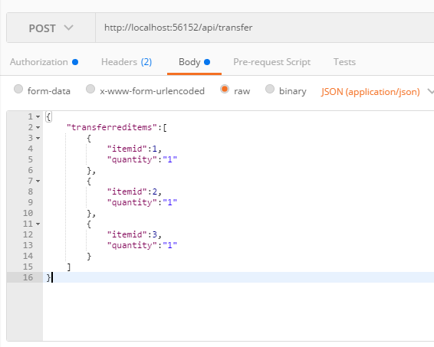
Parameter | Data Type | Length | Required | Unique | Remarks
Token | String |  | Yes |  | Bearer Token see AuthenticateAPI docu
TransferredItems | Array |  | Yes
ItemId | Int |  | Yes |  | Item.Id
Quantity | Int |  | Yes

Example

Response - Error
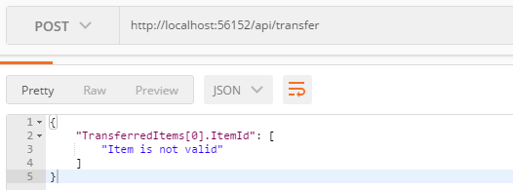
With error

